Intstructions
MAKE A COPY BEFORE YOU CAN USE
HOW TO USE THIS GOOGLE SHEET
Step 1
Please go to "File" > "Make a copy" to save this to your own personal drive
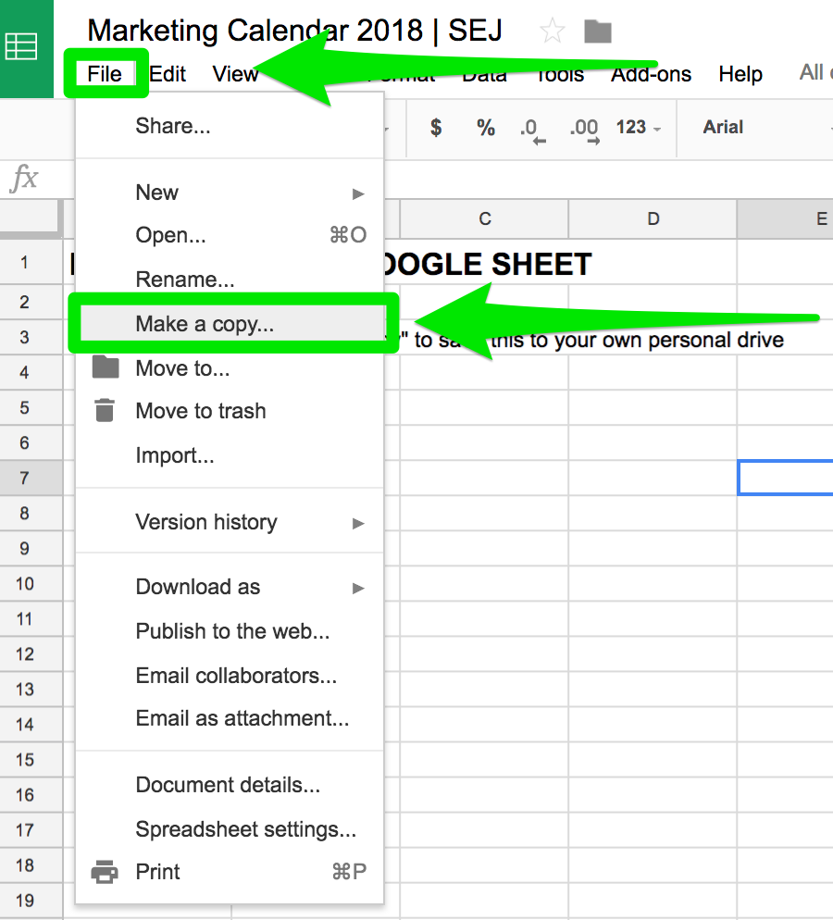

Step 2
You can add the Google Calendar to you calendars using the Google Calendar ID: uj0mnh4k070j2iccnaq32kegbc@group.calendar.google.com
Or, you upload by URL: https://calendar.google.com/calendar?cid=dWowbW5oNGswNzBqMmljY25hcTMya2VnYmNAZ3JvdXAuY2FsZW5kYXIuZ29vZ2xlLmNvbQ

If that does not work, go to the "Google Calendar" tab is already formatted correctly for you to upload to Google Calendar or iCal.

To import this calendar, download the Google Calendar tab as a CVS file.
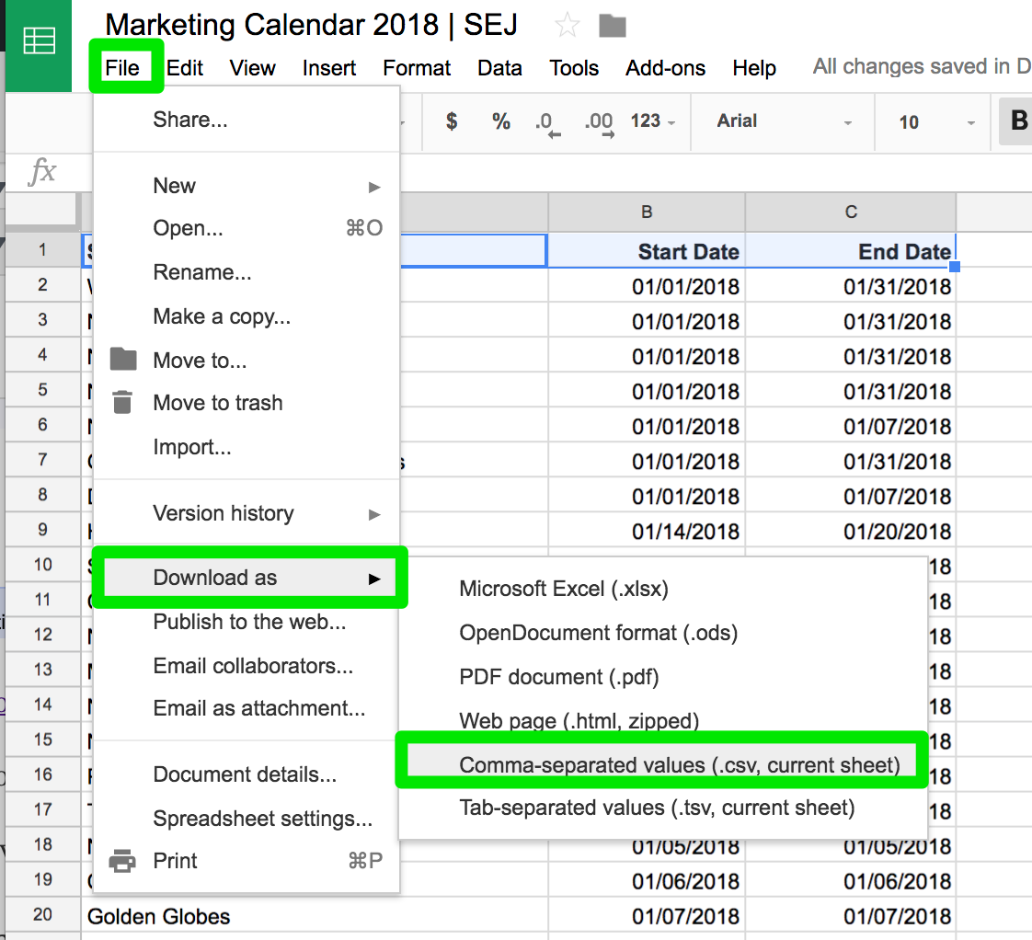

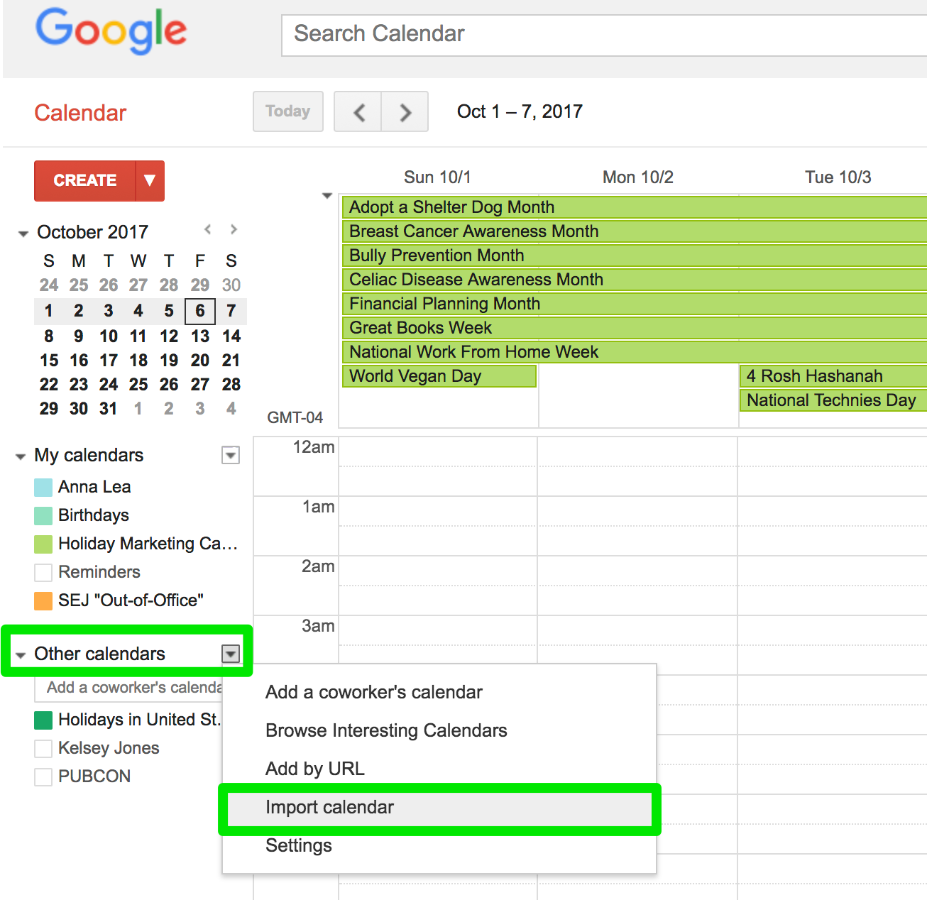
Next, go to your Google Calendar > Other Calendars > Import

Choose the file name and the calendar you want to upload and click save.

